Surcharges
Global shipping coverage on a single integarted freight and express network via our strong Global Partnerships

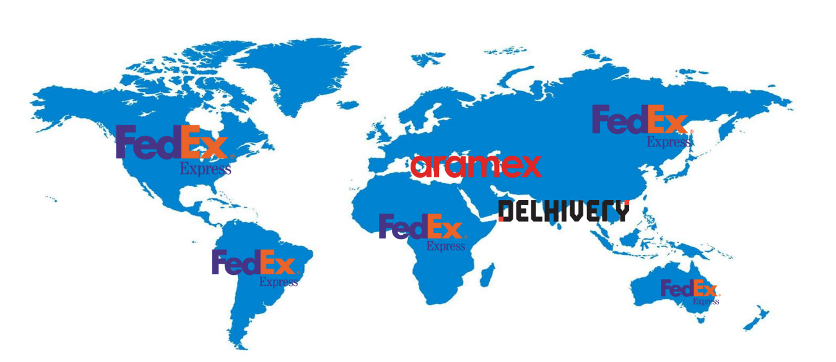
 |  |  | All Rates are exclusive of GST

 |  |  | ((Base+PSC)+FSC)+18% GST

Surcharges

Carrier | Type
Aramex | Peak Surcharge (PSC) | 100Rs / Kg OR 180Rs whichever is high
Aramex | Fuel Surcharge (FSC) | 15%
Fedex | Demand Surcharge (PSC) | https://www.fedex.com/en-in/shipping/surcharges/temporary-surcharges.html
Fedex | Fuel Surcharge (FSC) | https://www.fedex.com/en-in/shipping/surcharges.html

DLV SAVER (Effective 1st May) - PSC
Origin Market | Destination | Zone | SAVER
 |  |  | (INR/Kg.) | Minimum Charge Kgs
IN | US & CA only | G & L | INR 200 | INR 20
IN | UK | F | INR 100 | INR 20
IN | UAE | ME1 | INR 150 | INR 20
IN | AU, TH, SG & MY | B, D, & E | INR 0 | INR 0

